Summary
Key demand fields highlighted in grey

NEM Demand (AEMO ESOO 2024)
 | Residential | Business | Electrification | Electric Vehicles | Hydrogen Production | Losses | Small Non Scheduled Generation | Rooftop PV | Operational (Sent Out) | Underlying Demand - Operational Sent out + Rooftop PV
2024 |  |  |  |  |  | 10,333 | 6,836 | 24,233 | 177,057 | 201291
2025 | 33,854 | 129,893 | 1,457 | 719 | 111 | 9,533 | 7,052 | 26,960 | 175,566 | 202526
2026 | 31,302 | 130,446 | 3,975 | 1,249 | 556 | 9,597 | 7,563 | 29,992 | 177,124 | 207116
2027 | 28,740 | 131,462 | 6,845 | 1,962 | 1,112 | 9,728 | 8,074 | 33,056 | 179,848 | 212905
2028 | 26,256 | 131,999 | 9,337 | 2,878 | 1,395 | 9,845 | 8,610 | 36,191 | 181,710 | 217901
2029 | 24,154 | 131,496 | 12,029 | 3,928 | 2,004 | 9,939 | 9,065 | 38,881 | 183,549 | 222430
2030 | 22,551 | 131,164 | 14,029 | 5,123 | 4,635 | 10,042 | 9,572 | 41,226 | 187,543 | 228769
2031 | 20,708 | 131,184 | 15,768 | 6,457 | 8,203 | 10,165 | 10,218 | 43,744 | 192,485 | 236229
2032 | 18,728 | 131,721 | 17,349 | 7,919 | 12,028 | 10,307 | 10,900 | 46,507 | 198,051 | 244558
2033 | 16,673 | 131,775 | 18,773 | 9,436 | 17,895 | 10,411 | 11,678 | 49,259 | 204,963 | 254223
2034 | 14,457 | 130,436 | 20,296 | 11,070 | 24,452 | 10,425 | 12,480 | 51,988 | 211,135 | 263124
2035 | 12,351 | 129,646 | 21,450 | 12,812 | 27,329 | 10,463 | 13,196 | 54,669 | 214,052 | 268720
2036 | 10,444 | 129,826 | 23,671 | 15,490 | 29,292 | 10,693 | 13,632 | 57,422 | 219,416 | 276838
2037 | 8,539 | 130,155 | 25,711 | 18,801 | 31,354 | 10,994 | 14,498 | 60,170 | 225,554 | 285724
2038 | 6,630 | 130,688 | 27,575 | 22,161 | 33,604 | 11,272 | 15,053 | 63,092 | 231,929 | 295021
2039 | 4,348 | 129,744 | 28,827 | 25,526 | 34,718 | 11,420 | 16,196 | 66,124 | 234,583 | 300707
2040 | 2,383 | 128,515 | 30,377 | 28,984 | 37,271 | 11,615 | 17,476 | 69,272 | 239,145 | 308416
2041 | 392 | 127,568 | 32,080 | 32,282 | 38,781 | 11,812 | 18,524 | 72,138 | 242,914 | 315052
2042 | -1,484 | 126,672 | 33,785 | 35,649 | 41,329 | 12,025 | 19,660 | 74,957 | 247,976 | 322933
2043 | -3,411 | 125,619 | 34,984 | 39,033 | 43,574 | 12,203 | 21,035 | 77,955 | 252,003 | 329958
2044 | -5,339 | 124,592 | 35,939 | 42,528 | 46,221 | 12,376 | 22,475 | 81,100 | 256,318 | 337419
2045 | -7,226 | 124,090 | 36,659 | 45,806 | 48,896 | 12,521 | 23,429 | 84,131 | 260,744 | 344875
2046 | -9,541 | 122,730 | 37,278 | 49,220 | 50,744 | 12,581 | 24,428 | 87,272 | 263,013 | 350285
2047 | -11,900 | 121,089 | 38,009 | 52,622 | 52,332 | 12,628 | 25,534 | 90,724 | 264,780 | 355504
2048 | -14,263 | 119,255 | 38,497 | 56,164 | 53,748 | 12,656 | 26,675 | 94,480 | 266,056 | 360536
2049 | -16,378 | 117,820 | 38,636 | 59,423 | 57,460 | 12,697 | 28,027 | 97,896 | 269,657 | 367553
2050 | -17,705 | 116,035 | 38,737 | 62,829 | 59,627 | 12,807 | 29,865 | 101,128 | 272,331 | 373458
2051 | -18,590 | 114,775 | 38,845 | 66,196 | 60,927 | 12,961 | 31,444 | 104,291 | 275,114 | 379404
2052 | -19,420 | 113,853 | 39,250 | 69,796 | 62,262 | 13,158 | 32,838 | 107,550 | 278,900 | 386450
2053 | -20,138 | 113,361 | 39,601 | 72,938 | 67,677 | 13,336 | 34,041 | 110,543 | 286,774 | 397317
2054 | -20,717 | 112,777 | 40,014 | 76,310 | 67,677 | 13,542 | 35,353 | 113,488 | 289,603 | 403091
2055 | -21,312 | 112,196 | 40,432 | 79,837 | 67,677 | 13,752 | 36,715 | 116,512 | 292,460 | 408972
NEM
Source | AEMO ESOO 2024
NEM Demand breakdown
Financial Year |  | 2017 | 2018 | 2019 | 2020 | 2021 | 2022 | 2023 | 2024 | 2025 | 2026 | 2027 | 2028 | 2029 | 2030 | 2031 | 2032 | 2033 | 2034 | 2035 | 2036 | 2037 | 2038 | 2039 | 2040 | 2041 | 2042 | 2043 | 2044 | 2045 | 2046 | 2047 | 2048 | 2049 | 2050 | 2051 | 2052 | 2053 | 2054 | 2055
Residential | GWh |  |  |  |  |  |  |  |  | 33,854 | 31,302 | 28,740 | 26,256 | 24,154 | 22,551 | 20,708 | 18,728 | 16,673 | 14,457 | 12,351 | 10,444 | 8,539 | 6,630 | 4,348 | 2,383 | 392 | -1,484 | -3,411 | -5,339 | -7,226 | -9,541 | -11,900 | -14,263 | -16,378 | -17,705 | -18,590 | -19,420 | -20,138 | -20,717 | -21,312
Business | GWh |  |  |  |  |  |  |  |  | 129,893 | 130,446 | 131,462 | 131,999 | 131,496 | 131,164 | 131,184 | 131,721 | 131,775 | 130,436 | 129,646 | 129,826 | 130,155 | 130,688 | 129,744 | 128,515 | 127,568 | 126,672 | 125,619 | 124,592 | 124,090 | 122,730 | 121,089 | 119,255 | 117,820 | 116,035 | 114,775 | 113,853 | 113,361 | 112,777 | 112,196
Electrification | GWh |  |  |  |  |  |  |  |  | 1,457 | 3,975 | 6,845 | 9,337 | 12,029 | 14,029 | 15,768 | 17,349 | 18,773 | 20,296 | 21,450 | 23,671 | 25,711 | 27,575 | 28,827 | 30,377 | 32,080 | 33,785 | 34,984 | 35,939 | 36,659 | 37,278 | 38,009 | 38,497 | 38,636 | 38,737 | 38,845 | 39,250 | 39,601 | 40,014 | 40,432
Electric Vehicles | GWh |  |  |  |  |  |  |  |  | 719 | 1,249 | 1,962 | 2,878 | 3,928 | 5,123 | 6,457 | 7,919 | 9,436 | 11,070 | 12,812 | 15,490 | 18,801 | 22,161 | 25,526 | 28,984 | 32,282 | 35,649 | 39,033 | 42,528 | 45,806 | 49,220 | 52,622 | 56,164 | 59,423 | 62,829 | 66,196 | 69,796 | 72,938 | 76,310 | 79,837
Hydrogen Production | GWh |  |  |  |  |  |  |  |  | 111 | 556 | 1,112 | 1,395 | 2,004 | 4,635 | 8,203 | 12,028 | 17,895 | 24,452 | 27,329 | 29,292 | 31,354 | 33,604 | 34,718 | 37,271 | 38,781 | 41,329 | 43,574 | 46,221 | 48,896 | 50,744 | 52,332 | 53,748 | 57,460 | 59,627 | 60,927 | 62,262 | 67,677 | 67,677 | 67,677
Losses | GWh |  |  |  |  |  |  |  | 10,333 | 9,533 | 9,597 | 9,728 | 9,845 | 9,939 | 10,042 | 10,165 | 10,307 | 10,411 | 10,425 | 10,463 | 10,693 | 10,994 | 11,272 | 11,420 | 11,615 | 11,812 | 12,025 | 12,203 | 12,376 | 12,521 | 12,581 | 12,628 | 12,656 | 12,697 | 12,807 | 12,961 | 13,158 | 13,336 | 13,542 | 13,752
Small Non Scheduled Generation | GWh |  |  |  |  |  |  |  | 6,836 | 7,052 | 7,563 | 8,074 | 8,610 | 9,065 | 9,572 | 10,218 | 10,900 | 11,678 | 12,480 | 13,196 | 13,632 | 14,498 | 15,053 | 16,196 | 17,476 | 18,524 | 19,660 | 21,035 | 22,475 | 23,429 | 24,428 | 25,534 | 26,675 | 28,027 | 29,865 | 31,444 | 32,838 | 34,041 | 35,353 | 36,715
Auxiliary | GWh |  |  |  |  |  |  |  | 7,782 | 7,928 | 8,070 | 7,794 | 6,300 | 5,244 | 4,685 | 3,934 | 3,400 | 3,125 | 1,746 | 1,147 | 1,066 | 879 | 701 | 713 | 700 | 716 | 750 | 752 | 724 | 730 | 730 | 730 | 729 | 728 | 729 | 733 | 740 | 747 | 756 | 764
Rooftop PV | GWh |  |  |  |  |  |  |  | 24,233 | 26,960 | 29,992 | 33,056 | 36,191 | 38,881 | 41,226 | 43,744 | 46,507 | 49,259 | 51,988 | 54,669 | 57,422 | 60,170 | 63,092 | 66,124 | 69,272 | 72,138 | 74,957 | 77,955 | 81,100 | 84,131 | 87,272 | 90,724 | 94,480 | 97,896 | 101,128 | 104,291 | 107,550 | 110,543 | 113,488 | 116,512
Operational (Sent Out) | GWh |  |  |  |  |  |  |  | 177,057 | 175,566 | 177,124 | 179,848 | 181,710 | 183,549 | 187,543 | 192,485 | 198,051 | 204,963 | 211,135 | 214,052 | 219,416 | 225,554 | 231,929 | 234,583 | 239,145 | 242,914 | 247,976 | 252,003 | 256,318 | 260,744 | 263,013 | 264,780 | 266,056 | 269,657 | 272,331 | 275,114 | 278,900 | 286,774 | 289,603 | 292,460
Operational (As Generated, incl Auxiliary) + Small Non Scheduled Generation | GWh |  |  |  |  |  |  |  | 191,676 | 190,546 | 192,757 | 195,716 | 196,620 | 197,858 | 201,800 | 206,636 | 212,350 | 219,766 | 225,361 | 228,395 | 234,113 | 240,930 | 247,683 | 251,492 | 257,321 | 262,155 | 268,387 | 273,790 | 279,518 | 284,902 | 288,171 | 291,044 | 293,460 | 298,412 | 302,925 | 307,291 | 312,478 | 321,562 | 325,712 | 329,940
Underlying Demand - Operational Sent out + Rooftop PV | GWh |  |  |  |  |  |  |  | 201291 | 202526 | 207116 | 212905 | 217901 | 222430 | 228769 | 236229 | 244558 | 254223 | 263124 | 268720 | 276838 | 285724 | 295021 | 300707 | 308416 | 315052 | 322933 | 329958 | 337419 | 344875 | 350285 | 355504 | 360536 | 367553 | 373458 | 379404 | 386450 | 397317 | 403091 | 408972

WEM
Source | WEM ESOO 2024
WEM Demand breakdown |  | SWIS
Financial Year |  | 2017 | 2018 | 2019 | 2020 | 2021 | 2022 | 2023 | 2024 | 2025 | 2026 | 2027 | 2028 | 2029 | 2030 | 2031 | 2032 | 2033 | 2034 | 2035 | 2036 | 2037 | 2038 | 2039 | 2040 | 2041 | 2042 | 2043 | 2044 | 2045 | 2046 | 2047 | 2048 | 2049 | 2050 | 2051 | 2052 | 2053 | 2054 | 2055
Residential | GWh |  |  |  |  |  |  |  | 3,250 | 2,996 | 2,705 | 2,383 | 2,018 | 1,632 | 1,280 | 917 | 538 | 170 | -181 | 0 | 0 | 0 | 0 | 0 | 0 | 0 | 0 | 0 | 0 | 0 | 0 | 0 | 0 | 0 | 0
Business | GWh |  |  |  |  |  |  |  | 13,031 | 13,394 | 13,511 | 13,627 | 13,644 | 13,803 | 13,869 | 13,926 | 13,990 | 14,066 | 14,131 | 0 | 0 | 0 | 0 | 0 | 0 | 0 | 0 | 0 | 0 | 0 | 0 | 0 | 0 | 0 | 0
Electrification | GWh |  |  |  |  |  |  |  | 11 | 76 | 238 | 540 | 997 | 1,639 | 3,031 | 4,834 | 6,151 | 7,272 | 8,139 | 0 | 0 | 0 | 0 | 0 | 0 | 0 | 0 | 0 | 0 | 0 | 0 | 0 | 0 | 0 | 0
Electric Vehicles | GWh |  |  |  |  |  |  |  | 51 | 96 | 164 | 254 | 366 | 493 | 644 | 821 | 1,020 | 1,236 | 1,475 | 0 | 0 | 0 | 0 | 0 | 0 | 0 | 0 | 0 | 0 | 0 | 0 | 0 | 0 | 0 | 0
Hydrogen Production | GWh |  |  |  |  |  |  |  | 0 | 1 | 2 | 2 | 2 | 62 | 284 | 478 | 777 | 1,251 | 2,039 | 0 | 0 | 0 | 0 | 0 | 0 | 0 | 0 | 0 | 0 | 0 | 0 | 0 | 0 | 0 | 0
Losses | GWh |  |  | 1,397 | 1,393 | 1,419 | 1,313 | 1,525 | 1,435 | 1,455 | 1,463 | 1,482 | 1,504 | 1,560 | 1,692 | 1,858 | 1,991 | 2,127 | 2,270 | 0 | 0 | 0 | 0 | 0 | 0 | 0 | 0 | 0 | 0 | 0 | 0 | 0 | 0 | 0 | 0
Small Non Scheduled Generation | GWh |  |  | 21 | 39 | 57 | 71 | 78 | 94 | 122 | 156 | 191 | 227 | 261 | 296 | 331 | 368 | 404 | 441 | 0 | 0 | 0 | 0 | 0 | 0 | 0 | 0 | 0 | 0 | 0 | 0 | 0 | 0 | 0 | 0
Rooftop PV | GWh |  |  |  |  |  |  |  | 3,503 | 3,940 | 4,399 | 4,866 | 5,343 | 5,826 | 6,306 | 6,818 | 7,351 | 7,877 | 8,385 | 0 | 0 | 0 | 0 | 0 | 0 | 0 | 0 | 0 | 0 | 0 | 0 | 0 | 0 | 0 | 0
Operational (Sent Out) | GWh |  |  | 17,420 | 17,664 | 17,544 | 17,847 | 17,302 | 17,800 | 18,018 | 18,082 | 18,287 | 18,530 | 19,188 | 20,800 | 22,833 | 24,465 | 26,118 | 27,868 | 28,030 | 28,193 | 28,358 | 28,523 | 28,689 | 28,857 | 29,025 | 29,194 | 29,364 | 29,535 | 29,708 | 29,881 | 30,055 | 30,230 | 30,406 | 30,584
Operational (Sent Out) + Small Non Scheduled Generation | GWh |  |  | 17,442 | 17,703 | 17,601 | 17,918 | 17,380 | 17,894 | 18,141 | 18,239 | 18,479 | 18,757 | 19,449 | 21,096 | 23,164 | 24,833 | 26,521 | 28,309 | 28,474 | 28,640 | 28,807 | 28,975 | 29,144 | 29,314 | 29,484 | 29,656 | 29,829 | 30,003 | 30,178 | 30,354 | 30,531 | 30,709 | 30,888 | 31,068
Underlying Demand - Operational Sent out + Rooftop PV | GWh |  |  | 17472 | 18107 | 18558 | 19340 | 18935 | 21303 | 21958 | 22482 | 23153 | 23873 | 25014 | 27106 | 29651 | 31816 | 33995 | 36252 | 37692 | 39189 | 40745 | 42363 | 44045 | 45795 | 47613 | 49504 | 51470 | 53514 | 55639 | 57849 | 60146 | 62535 | 65019 | 67601
 |  |  |  | Source: 2024 Expected Underlying Consumption (Fig. 6) | https://aemo.com.au/-/media/files/electricity/wem/planning_and_forecasting/esoo/2024/2024-wem-electricity-statement-of-opportunities.pdf?la=en
WEM Demand (WEM ESOO 2024)
NWIS
Source
NGER reports

 |  |  |  |  | 2020 | 2021 | 2022 | 2023 | 2024 | 2025 | 2026 | 2027 | 2028 | 2029 | 2030 | 2031 | 2032 | 2033 | 2034 | 2035 | 2036 | 2037 | 2038 | 2039 | 2040 | 2041 | 2042 | 2043 | 2044 | 2045 | 2046 | 2047 | 2048 | 2049 | 2050 | 2051 | 2052 | 2053 | 2054 | 2055
NWIS forecast based on NGER figures | GWh |  |  |  | 2,712 | 2,759 | 2,830 | 2,712 | 3,026 | 3,026 | 2,830 | 2,864 | 2,898 | 2,931 | 2,965 | 2,999 | 3,032 | 3,066 | 3,100 | 3,133 | 3,167 | 3,201 | 3,235 | 3,268 | 3,302 | 3,338 | 3,375 | 3,413 | 3,451 | 3,489 | 3,527 | 3,566 | 3,606 | 3,646 | 3,686

DKIS | Annual System Consumption (period ending 31st August)
Source | https://utilicom.nt.gov.au/electricity/reporting/electricity-outlook-report
 | https://utilicom.nt.gov.au/publications/reports-and-reviews/pre-2025/2023-northern-territory-electricity-outlook-report-data

Annual System Consumption (period ending 31st August) |  | 2017 | 2018 | 2019 | 2020 | 2021 | 2022 | 2023 | 2024 | 2025 | 2026 | 2027 | 2028 | 2029 | 2030 | 2031 | 2032 | 2033 | 2034 | 2035 | 2036 | 2037 | 2038 | 2039 | 2040 | 2041 | 2042 | 2043 | 2044 | 2045 | 2046 | 2047 | 2048 | 2049 | 2050 | 2051 | 2052 | 2053 | 2054 | 2055
Darwin | GWh | 1,446 | 1,456 | 1,396 | 1,330 | 1,319 | 1,393 | 1,311 | 1,304 | 1,341 | 1,342 | 1,339 | 1,337 | 1,335 | 1,333 | 1,331 | 1,330 | 1,328 | 1,343 | 1,358 | 1,372 | 1,387 | 1,401 | 1,416 | 1,431 | 1,446 | 1,462 | 1,479 | 1,495 | 1,512 | 1,528 | 1,545 | 1,562 | 1,580 | 1,597
Manton, Batchelor, Pine Creek | GWh | 75 | 41 | 47 | 47 | 22 | 21 | 23 | 22 | 28 | 30 | 30 | 30 | 30 | 30 | 30 | 30 | 30 | 30 | 31 | 31 | 31 | 32 | 32 | 32 | 33 | 33 | 34 | 34 | 34 | 35 | 35 | 35 | 36 | 36
Katherine | GWh | 119 | 123 | 128 | 129 | 124 | 132 | 123 | 130 | 140 | 174 | 174 | 174 | 173 | 173 | 173 | 173 | 173 | 175 | 177 | 179 | 181 | 183 | 185 | 187 | 189 | 191 | 193 | 195 | 197 | 200 | 202 | 204 | 206 | 209
Darwin-Katherine Total Consumption | GWh | 1,640 | 1,620 | 1,572 | 1,505 | 1,465 | 1,546 | 1,457 | 1,455 | 1,509 | 1,546 | 1,543 | 1,540 | 1,538 | 1,536 | 1,534 | 1,533 | 1,532 | 1,549 | 1,566 | 1,583 | 1,599 | 1,616 | 1,633 | 1,650 | 1,668 | 1,687 | 1,705 | 1,724 | 1,743 | 1,763 | 1,782 | 1,802 | 1,822 | 1,842

 | https://utilicom.nt.gov.au/publications/reports-and-reviews/pre-2025/2023-northern-territory-electricity-outlook-report-data
Annual System Consumption (period ending 31st August) |  | 2017 | 2018 | 2019 | 2020 | 2021 | 2022 | 2023 | 2024 | 2025 | 2026 | 2027 | 2028 | 2029 | 2030 | 2031 | 2032 | 2033 | 2034 | 2035 | 2036 | 2037 | 2038 | 2039 | 2040 | 2041 | 2042 | 2043 | 2044 | 2045 | 2046 | 2047 | 2048 | 2049 | 2050 | 2051 | 2052 | 2053 | 2054 | 2055
Alice Springs | GWh | 217 | 214 | 220 | 209 | 202 | 197 | 191.50 | 206.63 | 230.81 | 245.92 | 245.78 | 245.83 | 245.71 | 245.76 | 245.85 | 246.17 | 246.23 | 249 | 252 | 254 | 257 | 260 | 262 | 265 | 268 | 271 | 274 | 277 | 280 | 283 | 286 | 290 | 293 | 296
Tenant Creek | GWh | 29 | 29 | 29 | 32 | 30 | 31 | 31.40 | 29.36 | 29.29 | 29.24 | 29.26 | 29.29 | 29.32 | 29.37 | 29.41 | 29.48 | 29.54 | 30 | 30 | 31 | 31 | 31 | 31 | 32 | 32 | 33 | 33 | 33 | 34 | 34 | 34 | 35 | 35 | 36
Total | GWh | 246 | 243 | 249 | 241 | 232 | 228 | 223 | 236 | 260 | 275 | 275 | 275 | 275 | 275 | 275 | 276 | 276 | 278.80608673 | 281.83658767 | 284.86708861 | 287.89758956 | 290.9280905 | 293.95859144 | 296.98909238 | 300.27727401 | 303.60186148 | 306.96325787 | 310.36187072 | 313.79811207 | 317.27239855 | 320.78515137 | 324.33679642 | 327.92776431 | 331.55849042

Aggregated historical and forecast distributed PV capacity |  | 2017 | 2018 | 2019 | 2020 | 2021 | 2022 | 2023 | 2024 | 2025 | 2026 | 2027 | 2028 | 2029 | 2030 | 2031 | 2032 | 2033 | 2034 | 2035 | 2036 | 2037 | 2038 | 2039 | 2040 | 2041 | 2042 | 2043 | 2044 | 2045 | 2046 | 2047 | 2048 | 2049 | 2050 | 2051 | 2052 | 2053 | 2054 | 2055
Darwin-Katherine | GWh | 35 | 52 | 68 | 87 | 98 | 107 | 115.02 | 122.68 | 130.38 | 138.11 | 145.86 | 153.66 | 161.47 | 169.30 | 177.17 | 185.04 | 189.77 | 192 | 194 | 196 | 198 | 200 | 202 | 204 | 207 | 209 | 211 | 214 | 216 | 218 | 221 | 223 | 226 | 228
Alice Springs | GWh | 10 | 12 | 13 | 16 | 18 | 19 | 20.10 | 21.24 | 22.40 | 23.52 | 24.62 | 25.71 | 26.78 | 27.84 | 28.88 | 29.91 | 30.93 | 31 | 32 | 32 | 32 | 33 | 33 | 33 | 34 | 34 | 34 | 35 | 35 | 36 | 36 | 36 | 37 | 37
Tenant Creek | GWh | 0.43 | 0.45 | 0.45 | 0.57 | 0.58 | 0.73 | 0.73 | 1.05 | 1.06 | 1.07 | 1.08 | 1.10 | 1.11 | 1.12 | 1.13 | 1.14 | 1.16 | 1.17 | 1.19 | 1.20 | 1.21 | 1.22 | 1.24 | 1.25 | 1.26 | 1.28 | 1.29 | 1.31 | 1.32 | 1.33 | 1.35 | 1.36 | 1.38 | 1.39

DKIS and Alice Springs Total Northern Territory | GWh | 1,931 | 1,928 | 1,902 | 1,849 | 1,814 | 1,900 | 1,816 | 1,836 | 1,923 | 1,983 | 1,989 | 1,996 | 2,002 | 2,009 | 2,017 | 2,025 | 2,030 | 2,052 | 2,074 | 2,097 | 2,119 | 2,141 | 2,164 | 2,186 | 2,210 | 2,235 | 2,259 | 2,284 | 2,310 | 2,335 | 2,361 | 2,387 | 2,414 | 2,440

MT ISA
Mt Isa load | GWh |  |  |  | 2015 | 2142 | 2059 | 2043 | 1649 | 1732 | 1556 | 1413 | 1273 | 1203 | 1033 | 919 | 901 | 901 | 901 | 901 | 901 | 901 | 901 | 901 | 901 | 901 | 901 | 901 | 901 | 901 | 901 | 901 | 901 | 901 | 901
Source | Powerlink report noted below
NGER Reports up until 2024 | https://www.powerlink.com.au/planning-report/transmission-annual-planning-report-2024
 | North West zone which includes Mt Isa connected from 2032

TOTAL WITHOUT ROOFTOP PV | GWh |  |  |  |  |  |  |  | 215,936 | 215,215 | 217,203 | 220,290 | 221,363 | 223,255 | 228,705 | 235,528 | 242,925 | 252,063 | 259,498 | 262,751 | 268,689 | 275,726 | 282,701 | 286,732 | 292,784 | 297,847 | 304,310 | 309,945 | 315,907 | 321,527 | 325,033 | 328,145 | 330,802 | 335,997 | 340,754
TOTAL UNDERLYING | GWh |  |  |  |  |  |  |  | 229,105 | 231,165 | 235,968 | 242,324 | 247,941 | 253,581 | 261,882 | 271,814 | 282,333 | 294,214 | 305,428 | 312,521 | 322,191 | 332,690 | 343,661 | 351,085 | 360,600 | 369,115 | 378,949 | 388,001 | 397,569 | 407,214 | 414,898 | 422,479 | 429,965 | 439,532 | 448,087
Does not include SNSG for all of the NT and NWIS, or Rooftop PV for NWIS and Mt Isa

Rate of change for 2050 projection |  |  |  |  | 2020 | 2021 | 2022 | 2023 | 2024 | 2025 | 2026 | 2027 | 2028 | 2029 | 2030 | 2031 | 2032 | 2033 | 2034 | 2035 | 2036 | 2037 | 2038 | 2039 | 2040 | 2041 | 2042 | 2043 | 2044 | 2045 | 2046 | 2047 | 2048 | 2049 | 2050

NEM |  |  |  |  |  |  |  |  |  | 0.61% | 2.27% | 2.79% | 2.35% | 2.08% | 2.85% | 3.26% | 3.53% | 3.95% | 3.50% | 2.13% | 3.02% | 3.21% | 3.25% | 1.93% | 2.56% | 2.15% | 2.50% | 2.18% | 2.26% | 2.21% | 1.57% | 1.49% | 1.42% | 1.95% | 1.61%
WEM | 3.97% | 2020-2025 avg |  |  | 3.64% | 2.49% | 4.21% | -2.10% | 12.51% | 3.07% | 2.39% | 2.99% | 3.11% | 4.78% | 8.36% | 9.39% | 7.30% | 6.85% | 6.64% | 3.97% | 3.97% | 3.97% | 3.97% | 3.97% | 3.97% | 3.97% | 3.97% | 3.97% | 3.97% | 3.97% | 3.97% | 3.97% | 3.97% | 3.97% | 3.97%
NWIS | 1.11% | 2027-2040 average based on peak demand projection |  |  |  | 1.74% | 2.56% | -4.17% | 11.57% | 0.00% | -6.48% | 1.19% | 1.18% | 1.16% | 1.15% | 1.14% | 1.12% | 1.11% | 1.10% | 1.09% | 1.08% | 1.06% | 1.05% | 1.04% | 1.03% | 1.11% | 1.11% | 1.11% | 1.11% | 1.11% | 1.11% | 1.11% | 1.11% | 1.11% | 1.11%
DKIS | 1.11% | based off NWIS |  |  |  |  |  |  | -0.13% | 3.69% | 2.43% | -0.19% | -0.15% | -0.16% | -0.13% | -0.10% | -0.07% | -0.08% | 1.10% | 1.09% | 1.08% | 1.06% | 1.05% | 1.04% | 1.03% | 1.11% | 1.11% | 1.11% | 1.11% | 1.11% | 1.11% | 1.11% | 1.11% | 1.11% | 1.11%
ALICE | 1.11% | based off NWIS |  |  |  |  |  |  | 5.87% | 10.22% | 5.79% | -0.04% | 0.03% | -0.03% | 0.04% | 0.05% | 0.14% | 0.05% | 1.10% | 1.09% | 1.08% | 1.06% | 1.05% | 1.04% | 1.03% | 1.11% | 1.11% | 1.11% | 1.11% | 1.11% | 1.11% | 1.11% | 1.11% | 1.11% | 1.11%
MT ISA | -6.20% | 2021-2032 avg |  |  |  | 6.32% | -3.88% | -0.76% | -19.31% | 5.07% | -10.17% | -9.20% | -9.92% | -5.46% | -14.14% | -11.05% | -1.96% | -6.20% | -6.20% | -6.20% | -6.20% | -6.20% | -6.20% | -6.20% | -6.20% | -6.20% | -6.20% | -6.20% | -6.20% | -6.20% | -6.20% | -6.20% | -6.20% | -6.20% | -6.20%
SWIS OPERATIONAL DEMAND | 0.58% | 2020-2025 avg |  |  | 1.40% | -0.68% | 1.73% | -3.05% | 2.88% | 1.22% | 0.36% | 1.13% | 1.33% | 3.55% | 8.40% | 9.78% | 7.15% | 6.76% | 6.70% | 0.58% | 0.58% | 0.58% | 0.58% | 0.58% | 0.58% | 0.58% | 0.58% | 0.58% | 0.58% | 0.58% | 0.58% | 0.58% | 0.58% | 0.58% | 0.58%

rate of change
 | NEM | WEM | NWIS | DKIS | ALICE | MT ISA
2020 |  | 3.64%
2021 |  | 2.49% | 1.74% |  |  | 6.32%
2022 |  | 4.21% | 2.56% |  |  | -3.88%
2023 |  | -2.10% | -4.17% |  |  | -0.76%
2024 |  | 12.51% | 11.57% | -0.0012539186201 | 0.058721891383 | -19.31%
2025 | 0.0061351314313 | 3.07% | 0.00% | 0.036889556989 | 0.10219786929 | 5.07%
2026 | 0.022667257868 | 2.39% | -6.48% | 0.024321834514 | 0.057876127673 | -10.17%
2027 | 0.027946617432 | 2.99% | 1.19% | -0.001927811318 | -0.00044602582685 | -9.20%
2028 | 0.023467798943 | 3.11% | 1.18% | -0.001517837411 | 0.0002796819093 | -9.92%
2029 | 0.020784677805 | 4.78% | 1.16% | -0.001590299577 | -0.00029762202124 | -5.46%
2030 | 0.028499765544 | 8.36% | 1.15% | -0.0012665671048 | 0.00035922764971 | -14.14%
2031 | 0.032607987705 | 9.39% | 1.14% | -0.00095849371166 | 0.00048189639219 | -11.05%
2032 | 0.035258613683 | 7.30% | 1.12% | -0.00070533978517 | 0.0013796128649 | -1.96%
2033 | 0.039519884657 | 6.85% | 1.11% | -0.00084030091757 | 0.00048363668228 | -6.20%
2034 | 0.035011415184 | 6.64% | 1.10% | 0.010989010989 | 0.010989010989 | -6.20%
2035 | 0.021269479921 | 3.97% | 1.09% | 0.010869565217 | 0.010869565217 | -6.20%
2036 | 0.030208023221 | 3.97% | 1.08% | 0.010752688172 | 0.010752688172 | -6.20%
2037 | 0.032100058699 | 3.97% | 1.06% | 0.010638297872 | 0.010638297872 | -6.20%
2038 | 0.032538043707 | 3.97% | 1.05% | 0.010526315789 | 0.010526315789 | -6.20%
2039 | 0.019272532895 | 3.97% | 1.04% | 0.010416666667 | 0.010416666667 | -6.20%
2040 | 0.025637938895 | 3.97% | 1.03% | 0.010309278351 | 0.010309278351 | -6.20%
2041 | 0.021516055253 | 3.97% | 1.11% | 0.01107172523 | 0.01107172523 | -6.20%
2042 | 0.025015862456 | 3.97% | 1.11% | 0.01107172523 | 0.01107172523 | -6.20%
2043 | 0.021752782462 | 3.97% | 1.11% | 0.01107172523 | 0.01107172523 | -6.20%
2044 | 0.022610446599 | 3.97% | 1.11% | 0.01107172523 | 0.01107172523 | -6.20%
2045 | 0.022098663204 | 3.97% | 1.11% | 0.01107172523 | 0.01107172523 | -6.20%
2046 | 0.015686838511 | 3.97% | 1.11% | 0.01107172523 | 0.01107172523 | -6.20%
2047 | 0.014899292034 | 3.97% | 1.11% | 0.01107172523 | 0.01107172523 | -6.20%
2048 | 0.014153141975 | 3.97% | 1.11% | 0.01107172523 | 0.01107172523 | -6.20%
2049 | 0.019462710479 | 3.97% | 1.11% | 0.01107172523 | 0.01107172523 | -6.20%
2050 | 0.016067904295 | 3.97% | 1.11% | 0.01107172523 | 0.01107172523 | -6.20%
Demand projections
 | NWIS | DKIS and Alice Springs Total Northern Territory | MT ISA | NEM | WEM
 |  | 1,902 |  | 1 | 1
 | 2,712 | 1,849 | 2015
 | 2,759 | 1,814 | 2142
 | 2,830 | 1,900 | 2059
 | 2,712 | 1,816 | 2043
 | 3,026 | 1,836 | 1649
 | 3,026 | 1,923 | 1732
 | 2,830 | 1,983 | 1556
 | 2,864 | 1,989 | 1413
 | 2,898 | 1,996 | 1273
 | 2,931 | 2,002 | 1203
 | 2,965 | 2,009 | 1033
 | 2,999 | 2,017 | 919
 | 3,032 | 2,025 | 901
 | 3,066 | 2,030 | 901
 | 3,100 | 2,052 | 901
 | 3,133 | 2,074 | 901
 | 3,167 | 2,097 | 901
 | 3,201 | 2,119 | 901
 | 3,235 | 2,141 | 901
 | 3,268 | 2,164 | 901
 | 3,302 | 2,186 | 901
 | 3,338 | 2,210 | 901
 | 3,375 | 2,235 | 901
 | 3,413 | 2,259 | 901
 | 3,451 | 2,284 | 901
 | 3,489 | 2,310 | 901
 | 3,527 | 2,335 | 901
 | 3,566 | 2,361 | 901
 | 3,606 | 2,387 | 901
 | 3,646 | 2,414 | 901
 | 3,686 | 2,440 | 901
2050 FORECASTS
NEM | AEMO ESOO 2024
WEM | WA ESOO to 2034, then 2020-2024 historic growth used

notes
Recreation
Horizon Power Tariff setting methodology
 | https://nwis.com.au/media/cfkhzdic/tariff-setting-methodology.pdf
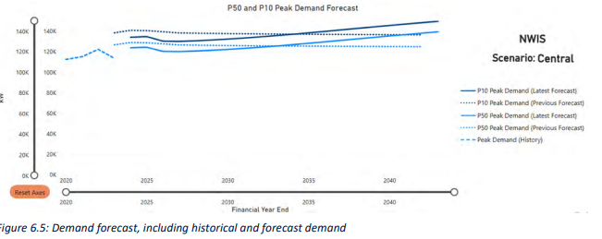

 |  |  | 2020 | 2021 | 2022 | 2023 | 2024 | 2025 | 2026 | 2027 | 2028 | 2029 | 2030 | 2031 | 2032 | 2033 | 2034 | 2035 | 2036 | 2037 | 2038 | 2039 | 2040
 | P50 Peak demand | kw | 115,000 | 117,000 | 120,000 | 115,000 | 128,311 | 128,311 | 120,000 | 121,429 | 122,857 | 124,286 | 125,714 | 127,143 | 128,571 | 130,000 | 131,429 | 132,857 | 134,286 | 135,714 | 137,143 | 138,571 | 140,000
 |  |  |  |  |  |  |  |  |  | 1,429
 | Assumed LF |  | 1.0 | 1.0 | 1.0 | 1.0 | 1.0 | 1.0 | 1.0 | 1.0 | 1.0 | 1.0 | 1.0 | 1.0 | 1.0 | 1.0 | 1.0 | 1.0 | 1.0 | 1.0 | 1.0 | 1.0 | 1.0
 | Inferred Consumption forecast | GWh | 1,007 | 1,025 | 1,051 | 1,007 | 1,124 | 1,124 | 1,051 | 1,064 | 1,076 | 1,089 | 1,101 | 1,114 | 1,126 | 1,139 | 1,151 | 1,164 | 1,176 | 1,189 | 1,201 | 1,214 | 1,226
 | Demand to mtach to | GWh |  |  |  |  | 1,124
 | (Assumes constant load factor)
 |  |  | 1,007

 | Horizon Power Annual report
 | https://www.horizonpower.com.au/globalassets/media/documents/annual-reports/20232024/horizon-power_annual-report-2024?v=4a6c54

 | FY 2024 |  |  | 1,124 GWh delivered |  | p14 annual report

Clen Energy Finance Corporation |  |  |  | 2024-08-13
 | Superpowering up Accelerating the electrification and decarbonisation of the Pilbara
 | Figure 2.2 NWIS grid connected generation facilities

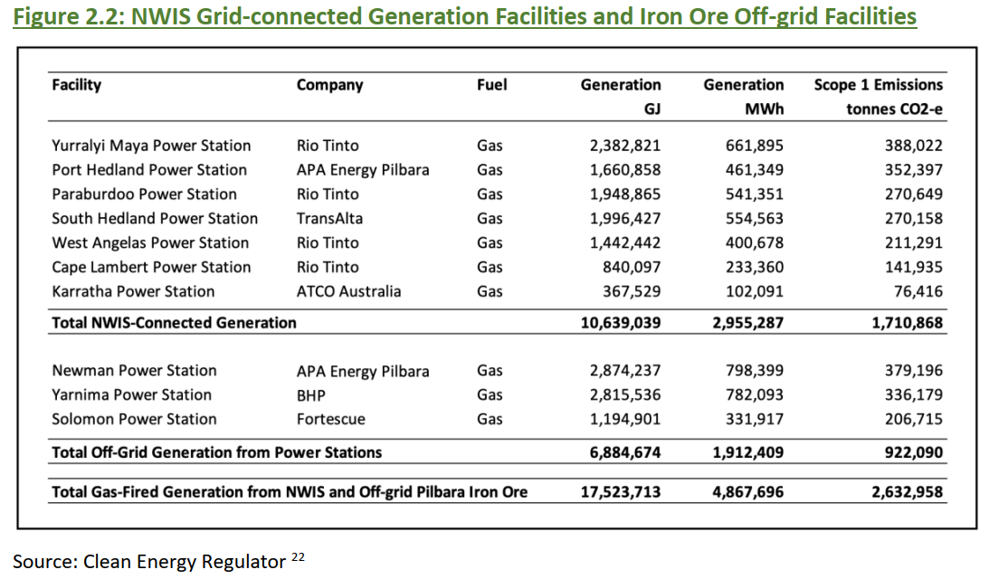

Powerlink data on Mt Isa

Queensland data from PowerLink (includes Mt Isa from 2032)
Source | https://www.powerlink.com.au/planning-report/transmission-annual-planning-report-2024
Period ending |  | #REF! | #REF! | #REF! | #REF! | #REF! | #REF! | #REF! | #REF! | #REF! | #REF! | #REF! | #REF! | #REF! | #REF! | #REF! | #REF! | #REF! | #REF! | 2035 | 2036 | 2037 | 2038 | 2039 | 2040
PowerLink (Transmission Delivered) |  | 49,880 | 48,739 | 48,764 | 47,860 | 47,421 | 47,405 | 46,214 | 47,477 | 46,697 | 48,032 | 48,883 | 50,217 | 52,000 | 53,785 | 57,650 | 60,434 | 60,437 | 60,516
Report indicated Mt Isa being connected from 2032 @ 901GWh pa included above |  |  |  |  |  |  |  |  |  |  |  |  |  |  |  |  | 901 | 901 | 901
AEMO 2024 ESOO Step Change Op Sent Out (converted to Transmission Delievered) |  |  |  |  |  |  |  |  |  | 46,812 | 47,377 | 47,946 | 48,378 | 48,937 | 50,780 | 52,589 | 55,241 | 58,119 | 59,695
Difference to PowerLink |  |  |  |  |  |  |  |  |  | 0% | -1% | -2% | -4% | -6% | -6% | -9% | -9% | -4% | -1%
Difference to AEMO Op Sent Out |  |  |  |  |  |  |  |  |  | #REF! | #REF! | #REF! | #REF! | #REF! | #REF! | #REF! | #REF! | #REF! | #REF!

Whole of system Plan WA

https://www.wa.gov.au/government/document-collections/whole-of-system-plan#:~:text=The%20Whole%20of%20System%20Plan,of%20our%20main%20electricity%20system.&text=Whole%20of%20System%20Planning%20provides,like%20over%20the%20coming%20decades.

20 YEAR PROJECTION 2020 TO 2040 FOR swis SYSTEM ONLY

 | Techtopia senario (most like WA ESOO 2024) |  |  |  |  | 21345.7 | 22485.61 | 24023.14 | 25954.79 | 28056.43 | 30399.34 | 33552.65 | 34887.41 | 35750.01 | 36450.53 | 37679.16 | 38719.62 | 39453.33 | 40362.76 | 41201.14 | 42472.48 | 43109.98 | 44401.67 | 45390.52 | 46876.33

 | SWIS forecast (ESOO plus extension) |  |  |  |  | #REF! | #REF! | #REF! | #REF! | #REF! | #REF! | #REF! | #REF! | #REF! | #REF! | #REF! | #REF! | #REF! | #REF! | #REF! | #REF! | #REF! | #REF! | #REF! | #REF!
 |  |  |  |  |  |  | #REF! | #REF! | #REF! | #REF! | #REF! | #REF! | #REF! | #REF! | #REF! | #REF! | #REF! | #REF! | #REF! | #REF! | #REF! | #REF! | #REF! | #REF! | #REF!

Generation (sent out)

Total generation figure from Commonwealth for Australia

https://www.energy.gov.au/energy-data/australian-energy-statistics/electricity-generation

 |  | 2022-23

 |  | 274 | TWh

Carbon budget
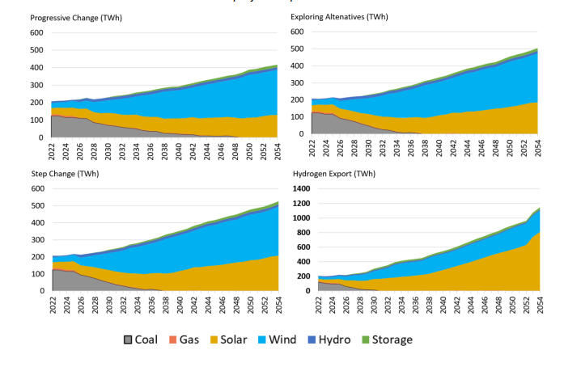
year | 2025 | 2026 | 2027 | 2028 | 2029 | 2030 | 2031 | 2032 | 2033 | 2034 | 2035 | 2036 | 2037 | 2038 | 2039 | 2040 | 2041 | 2042 | 2043 | 2044 | 2045 | 2046 | 2047 | 2048 | 2049 | 2050
underlying demand (TWh) | 231.16516042 | 235.96803528 | 242.32400394 | 247.94072089 | 253.58114665 | 261.88248581 | 271.81396801 | 282.33254205 | 294.21434472 | 305.42834191 | 312.5205297 | 322.19089236 | 332.68970049 | 343.66071486 | 351.08489001 | 360.59957794 | 369.1148934 | 378.94850644 | 388.00129278 | 397.56864216 | 407.21386282 | 414.89768622 | 422.47897194 | 429.96471276 | 439.53153993 | 448.08652869
interpolated emissions intensity (mt co2-e / TWh) | 0.52672934074 | 0.45533717322 | 0.38394500569 | 0.31255283816 | 0.24116067064 | 0.16976850311 | 0.14402688277 | 0.11828526242 | 0.092543642081 | 0.066802021738 | 0.041060401396 | 0.03428413553 | 0.027507869665 | 0.020731603799 | 0.013955337934 | 0.0071790720685 | 0.0068291484011 | 0.0064792247337 | 0.0061293010663 | 0.0057793773989 | 0.0054294537315 | 0.0049823830793 | 0.0045353124271 | 0.0040882417749 | 0.0036411711226 | 0.0031941004704
emissions (mt co2-e) | 121.76147255 | 107.44501816 | 93.039091071 | 77.49457601 | 61.153799386 | 44.459397606 | 39.148518504 | 33.395778827 | 27.227667013 | 20.403230736 | 12.832218394 | 11.04603622 | 9.1515849198 | 7.1246377818 | 4.8995082835 | 2.5887703579 | 2.5207403841 | 2.4552925357 | 2.3781767376 | 2.297699225 | 2.210948827 | 2.0671792115 | 1.9160741316 | 1.7577997004 | 1.6004095507 | 1.4312333921

Total emissions budget 2025-2050 (mt co2-e) | 693.80685951

Notes:
CCA intensity is for total generation (on and off grid), including distributed PV. Projected generation for the NEM in AusTIMES (see below) used by CSIRO for CCA A40/1.5 aligns closely in early years with our generation as defined by operational sent out + rooftop PV. Definition used for CCA modelling is likely comparable to ours.

Projected generation NEM, Climateworks/ CSIRO |  | source: | https://aemo.com.au/-/media/files/stakeholder_consultation/consultations/nem-consultations/2022/2023-inputs-assumptions-and-scenarios-consultation/supporting-materials-for-2023/csiro-climateworks-centre-2022-multisector-modelling-report.pdf

CCA Emissions intensity
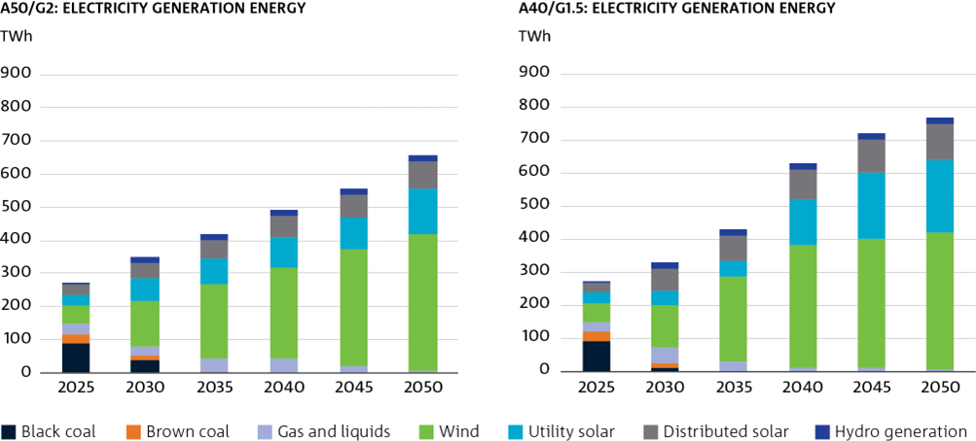
Figure 13 Emissions intensity of generation over time

Mt CO2-e / TWh
Generation Emissions Intensity

 | 2025 | 2030 | 2035 | 2040 | 2045 | 2050
A50/G2 | 0.5363142389 | 0.20158232148 | 0.061207992332 | 0.050102517545 | 0.019240999296 | 0.0053875692563
A40/G1.5 | 0.52672934074 | 0.16976850311 | 0.041060401396 | 0.0071790720685 | 0.0054294537315 | 0.0031941004704

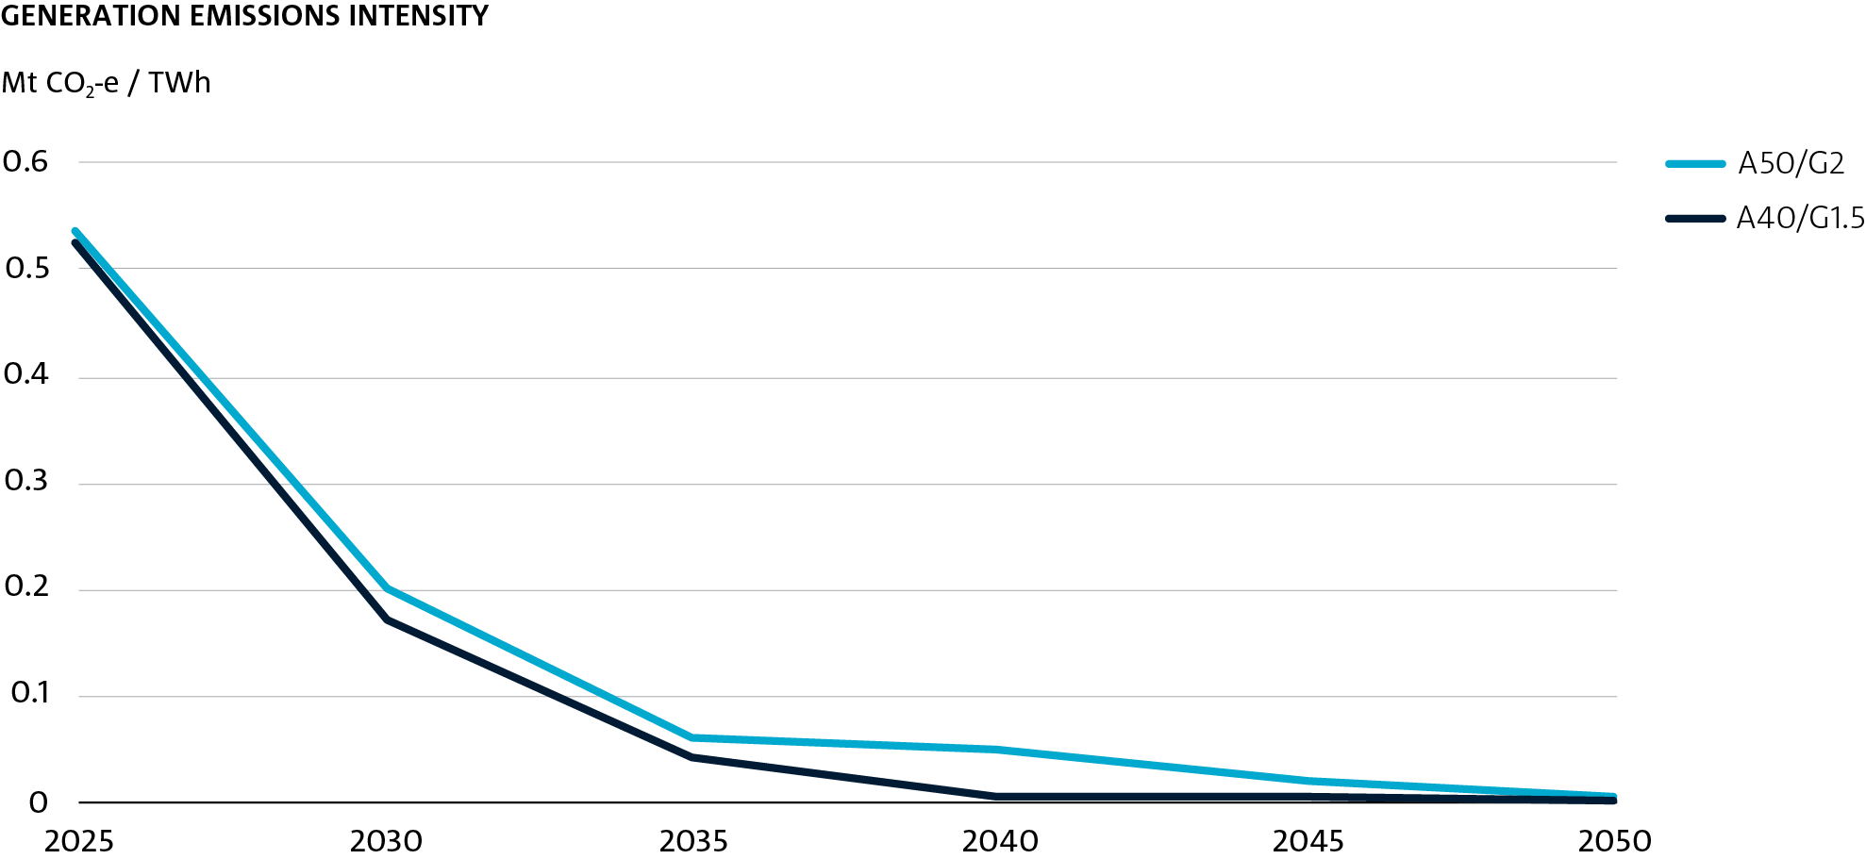

TWh |  |  |  |  |  |  | TWh
A50/G2: Electricity Generation Energy |  |  |  |  |  |  | A40/G1.5: Electricity Generation Energy

 | 2025 | 2030 | 2035 | 2040 | 2045 | 2050 |  | 2025 | 2030 | 2035 | 2040 | 2045 | 2050
Black Coal | 88.86756944 | 40.58987102 | 0 | 0 | 0 | 0 | Black Coal | 88.86756944 | 11.01388388 | 0 | 0 | 0 | 0
Brown Coal | 29.55624001 | 10.54700773 | 0.374226406 | 0 | 0 | 0 | Brown Coal | 29.55624001 | 13.15653254 | 0 | 0 | 0 | 0
Gas and liquids | 29.14143107 | 28.99406302 | 43.73107218 | 41.43303429 | 19.97726656 | 6.777648339 | Gas and liquids | 29.14143107 | 46.32279986 | 29.234388 | 8.742479401 | 7.848016921 | 5.031864276
Wind | 56.88076336 | 139.4050082 | 224.3096626 | 278.9202512 | 351.9365517 | 410.2149182 | Wind | 56.88076336 | 127.7634486 | 258.764497 | 374.3359717 | 393.1736388 | 415.3412367
Utility Solar | 32.94243758 | 68.76978532 | 78.98470907 | 89.0146971 | 97.73503517 | 139.2520211 | Utility Solar | 32.94243758 | 43.11065604 | 47.73494523 | 134.936632 | 197.2160454 | 216.6811493
Distributed Solar | 31.38479962 | 42.58778127 | 53.19722213 | 63.05342978 | 69.51942785 | 82.1128292 | Distributed Solar | 31.38479962 | 67.37444433 | 74.32793855 | 90.62770346 | 99.784484 | 110.6493607
Hydro Generation | 3.548951507 | 20.58638396 | 19.74284081 | 19.23783938 | 19.61888453 | 19.58880888 | Hydro Generation | 3.548951507 | 20.58638128 | 20.47595168 | 19.60197591 | 19.73073606 | 19.5489345
sum | 272.32219259 | 351.47990052 | 420.3397332 | 491.65925175 | 558.78716581 | 657.94622572 | sum | 272.32219259 | 329.32814653 | 430.53772046 | 628.24476247 | 717.75292118 | 767.25254548
per cent renewable | 0.45812260426 | 0.77201842367 | 0.89507225917 | 0.91572815086 | 0.96424888082 | 0.98969878073 | per cent renewable | 0.45812260426 | 0.78594840124 | 0.93209796352 | 0.9860842781 | 0.98906585165 | 0.99344171055

